Surface roughness
File name | Surface roughness
 | Original surface | Measured values | Area1
 | Laser+Optical |  | Sa | Sz | Str | Spc | Sdr
 |  |  | µm | µm |  | 1/mm
Image - 3mm x 4mm Results File | 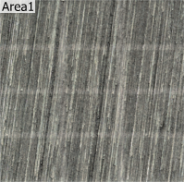 | 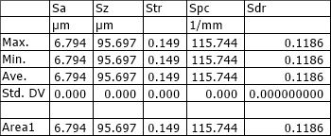 | 6.794 | 95.697 | 0.149 | 115.744 | 0.1186

